Readme
Motivation for South African Equity Factor Data

Risk factors and systematic factor strategies are fast becoming an integral part of the global asset management landscape. Risk factors can be thought of as the smallest systematic units that influence investment return and risk characteristics, and the risk factor investing framework then has the aim of constructing portfolios in a systematic manner in order to gain efficient and investable exposure to the range of underlying risk factors.

There are a handful of equity factor models that are used extensively in practice within the spheres of portfolio management and risk management. To this end, there exists several online, open-source factor databases for large international equity markets. However, a similar database does not exist - or at least is not publically available - for the South African equity market.

We fill this gap by providing an independent database of South African equity risk factors constructed exactly as per the international factor model specifications. Constructing factors in such a way ensures full transparency and reproducibility, as well as giving practitioners the ability to use the international industry-standard factor models but with the correct South African factors. Please note that these factors do not in any way represent our estimate of an optimal systematic factor strategy.

A brief note on factor construction is given below. Please see our 2016 research report Factor Investing in South Africa for a complete outline of the factor construction methodology.

Report: | Factor Investing in South Africa

Should you have any requests for custom factor construction and/or factor-based analysis, please contact the Peresec Research Team.
Email: | ResearchAdmin@peresec.com

Website: | Peresec Factor Data Library

Factor Model Specifications

This database currently includes factor price return data for six standard models:

Fama-French 3 Factor: |  | Exc. Stock Ret = α + β1Mkt + β2Size + β3Value
Carhart 4 Factor: |  | Exc. Stock Ret = α + β1Mkt + β2Size + β3Value + β4Momentum
Fama-French 5 Factor: |  | Exc. Stock Ret = α + β1Mkt + β2Size + β3Value + β4Profitability + β5Investment
AQR 6 Factor: |  | Exc. Stock Ret = α + β1Mkt + β2Size + β3Value + β4Profitability + β5Investment + β6Momentum
Peresec LV 7 Factor: |  | Exc. Stock Ret = α + β1Mkt + β2Size + β3Value + β4Profitability + β5Investment + β6Momentum + β7LowVol
Peresec LB 7 Factor: |  | Exc. Stock Ret = α + β1Mkt + β2Size + β3Value + β4Profitability + β5Investment + β6Momentum + β7LowBeta

Factor Construction Methodology

The underlying stock universe consists of the top 95% (by market cap) of FTSE/JSE All Share Index (ALSI) constituents at each month from January 1996 to August 2016. Total return and fundamental stock data were obtained from Bloomberg and Inet. Due to severe limitations on available fundamental data, we only publish factor returns from December 2002 onwards.

At any particular month in the analysis window, the factor variables are defined in line with international literature as follows:
1. | Market is defined as the ALSI total return.
2. | Size is defined as the market capitalisation value of the stock as at the end of the previous month (Fama & French, 1993). The shares in issue and share price are taken directly from the underlying FTSE/JSE index data.

3. | Value is defined as the ratio of book value to market value (BtM). This ratio is computed by taking the most recent book value six months prior to the current month and dividing it by the market value as at the end of the previous month. This is slightly different to the original definition of Fama & French (1993) but is in line with the alteration proposed by Asness and Frazzini (2013).

4. | Momentum is defined as the prior twelve month total stock return, less the prior month’s return to account for any short-term reversal effects (Carhart, 1997).

5. | Profitability is defined as the ratio of operating profit (total annual revenue, net of sales and other expenses) to the most recent book value for the previous year (Fama & French, 2015).

6. | Investment is defined as the relative growth in total assets six months prior to the current month (Fama & French, 2015).
7. | Low volatility is defined as the standard deviation of weekly total stock returns measured over the three years prior to the current month. If three years of weekly return data are not available, a smaller history is used with the minimum period required being one year (Blitz and van Vliet, 2007).

8. | Low beta is defined as the CAPM beta estimated from weekly excess total stock returns and excess ALSI returns, measured over the three years prior to the current month. If three years of weekly return data are not available, a smaller sample is used with the minimum period required being one year (Blitz and van Vliet, 2007).

In line with Fama & French (1993), we employ a two-way portfolio sorting methodology to create long/short factors:
1. | Rank all stocks based on Size score, using the 50th percentile as breakpoint to create two subsets of stocks: Big and Small.
2. | Independently rank stocks based on their respective Factor scores, using the 30th and 70th percentiles as breakpoints to create three subsets of stocks: Low, Neutral and High.

3. | Create six equal-weighted or cap-weighted portfolios for each Size/Factor pair using the defined breakpoints as per the below graphic. The dots represent the stocks and the coloured blocks give the boundaries of each portfolio.

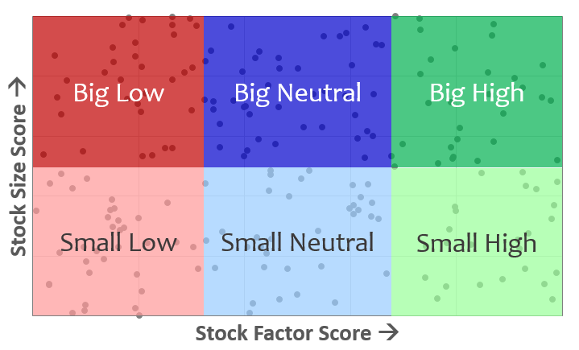

4. | Long-only Factor portfolios are constructed by going long both green portfolios . Factor returns are thus calculated as the average return of the green High portfolios.

5. | Long-only Size portfolios are calculated by going long the Big top portfolios. The final Size returns for a given model are then calculated as the average of the Size portfolio returns for each of the Size/Factor two-way tables. This means that the Size returns vary depending on the factor model.

Factor portfolios are rebalanced periodically, according to literature specifications for each factor respectively as per below. Otherwise, intra-period rebalances are carried out as necessary for any corporate actions and stock delistings.

Factor rebalance frequency:
 | Value, Profitability, Investment: |  | Annually at December-end
 | Low Volatility, Low Beta: |  | Quarterly, starting at December-end
 | Momentum: |  | Monthly

Disclaimer
Disclaimer

This publication and any information which may have been given orally by any director, other officer or duly authorised employee of Peresec is based on information from sources believed to be reliable, but is not guaranteed as to accuracy or completeness. Peresec, its affiliates, directors and other officers disclaim any liability whatsoever for any acts or omissions howsoever arising as a result of any of the information gleaned from this publication and / or for any loss occasioned in any manner whatsoever in consequence of the information herein contained. Neither this publication nor any opinion expressed herein should in any manner whatsoever be considered and / or deemed as an offer or allocation of an offer to sell or acquire any securities mentioned. Peresec, its affiliates, directors and officers reserve the right to hold positions in securities mentioned in this publication and further reserve the right from time to time to provide or offer advisory banking or other financial services for or to receive such services from any company or legal entity.

